Introduction
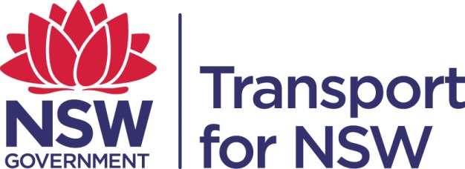

 | Air Emission Data Collection Workbook

 | 9TP-FT-439

The Government Resource Efficiency Policy (GREP) requires government sector agencies to report performance against the policy by publishing
financial year data annually.
This reporting workbook is prepared for the contractors / Alliance partners to provide information on the performance of their mobile non-road diesel
equipment against US EPA, EU, or equivalent emissions standards.
(US and EU non-road diesel engine emission standards are the most widely referenced and applied standards, and most countries have adopted
emissions standards derived from those models. For equipment that meets another international standard, record the equivalent US or EU standard.)

For additional information about the GREP, please refer to the Office of Environment and Heritage (OEH) website:
http://www.environment.nsw.gov.au/government/140567-resource-efficiency.htm

Definition of 'mobile non-road diesel plant and equipment' for GREP

For the purposes of GREP annual reporting, mobile non-road diesel plant and equipment means diesel engines used in a wide range of construction,
agricultural and industrial equipment. It includes compression-ignition, internal combustion engines installed on self-propelled equipment and equipment
that is propelled while performing its function, for example, tractors, excavators, bulldozers, loaders, graders, logging equipment, portable generators,
forklifts, etc.
The reporting template includes an extensive list of equipment, as well as general groupings (eg, 'other construction equipment') for items not listed.

The following non-road engine categories are NOT to be included in the GREP reporting:

∙ engines less than 19kW (25HP)
∙ registered motor vehicle engines (but DO include non-road vehicles with conditional registration);
∙ stationary engines (or engines that generally remain at one location);
∙ engines used in aircraft;
∙ engines used in railway locomotives;
∙ engines used in marine vessels
∙ engines used in underground mining equipment.

Projects involving multiple LGAs

If a project involves multiple LGAs, select either the LGA where the majority of the work will be undertaken, or one of the 'Multiple' options
(Sydney, Lower Hunter, Illawarra, Regional), if more appropriate.

Questions

Please contact Principal Manager, Environment Management at (02) 9200 0200

